Big O Time
 | Constant | Logarithmic | Linear | Linear Arithmatic | Quadratic | Cubic |  |  |  |  | http://www.geeksforgeeks.org/analysis-of-algorithms-set-4-analysis-of-loops/
N | O(1) | O(log2 N) | O(N) | O(N log2 N) | O(N2) | O(N3) | Factorial | Polynomial | Exponential |  |  |  |  | 6
1 | 1 | 1 | 1 | 1 | 1 | 1 |  |  |  | 1
2 | 1 | 1 | 2 | 2 | 4 | 8 |  |  |  | 2 |  | 2 |  |  | 7
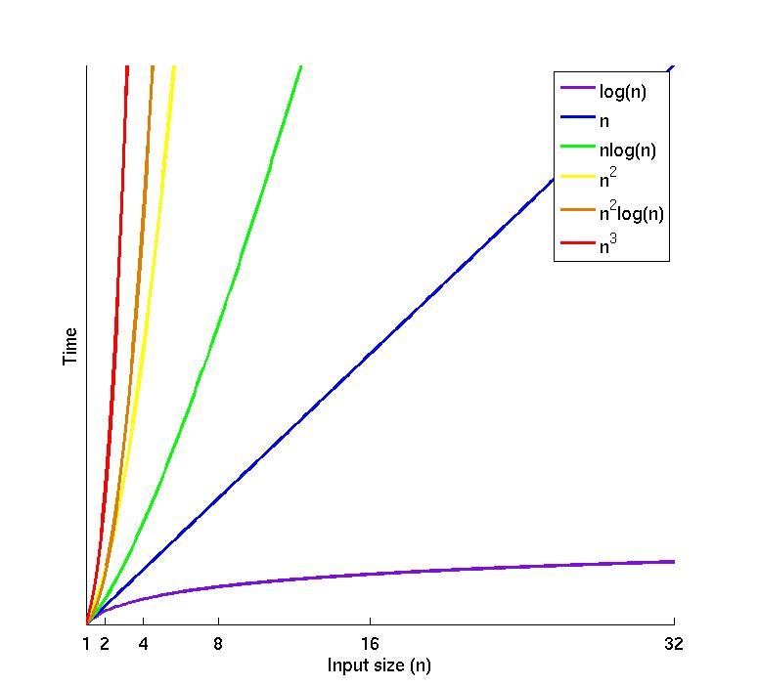
4 | 1 | 2 | 4 | 8 | 16 | 64 |  |  |  | 8 | 1 |  | 4 |  |  | 9
8 | 1 | 3 | 8 | 24 | 64 | 512 |  |  |  | 24 |  | 3 |  | 5 | 8
16 | 1 | 4 | 16 | 64 | 256 | 4096 |  |  |  | 64
32 | 1 | 5 | 32 | 160 | 1024 | 32768 |  |  |  | 160
64 | 1 | 6 | 64 | 384 | 4096 | 262144
128 | 1 | 7 | 128 | 896 | 16384 | 2097152
256 | 1 | 8 | 256 | 2048 | 65536 | 16777216
512 | 1 | 9 | 512 | 4608 | 262144 | 134217728
1024 | 1 | 10 | 1,024 | 10,240 | 1,048,576 | 1,073,741,824
1,048,576 | 1 | 20 | 1,048,576 | 20,971,520 | 1012 | 1016

Lower Bound Best Case f is bounded above by g (up to constant factor) asymptotically | Big Ω Omerga | f(n) ∈ Ω (g(n)) |  | http://stackoverflow.com/questions/3230122/big-oh-vs-big-theta
Upper Bound. Also read as Big Oh Worst Case f is bounded below by g asymptotically | Big Oh (Omicron) | f(n) ∈ O (g(n)) |  | http://stackoverflow.com/questions/471199/what-is-the-difference-between-n-and-on
Lower Bound + Upper Bound Uses when best and worst cases are same. Can also refer to finding optimat when we know the lower bound. | Big Θ Theta | f(n) ∈ Θ (g(n))

Smoothed analysis is a way of measuring the complexity of an algorithm. It gives a more realistic analysis of the practical performance of the algorithm, such as its running time, than using worst-case or average-case scenarios. http://en.wikipedia.org/wiki/Smoothed_analysis

A method of solving a problem is called an algorithm.
Determistic Algorithm

O(1) and Θ(1) are may or may not same

http://nerdgerl.wordpress.com/2009/11/18/an-intro-to-big-oh-notation-with-java/ http://rob-bell.net/2009/06/a-beginners-guide-to-big-o-notation/ http://www.leepoint.net/notes-java/algorithms/big-oh/bigoh.html
The base is base 2 when you refer to logn or nlogn. Thus if n = 16, O(logn) = 4 since 2^4 = 16. Searching a balanced binary tree often takes O(logn) time since the depth of a tree containing n elements will be logn. If n = 16 and the algorithm time is O(nlogn), that would be 16 * log16 = 16 * 4 = 64. Many good sorts take nlogn time. Traversing a linked list or vector will often take O(n) time since you have to go through n elements, where n is the length of the linked list or vector.
O(1) = irrespective of changing the size of the input, time stays the same
O(N) = as you increase the size of input, the time taken to complete operations scales linearly with that size
O(log N) = growth curve that peaks at the beginning and slowly flattens out as the size of the data sets increase
O(N2) = growth will double with each additional element in the input

O(N) = One variable length
O(N2) = Two Variables length
O(N3) = Three Variables length

Other Typical Operations
Algorithm | array | list
 | vector
access front | O(1) | O(1)
access back | O(1) | O(1)
access middle | O(1) | O(N)
insert at front | O(N) | O(1)
insert at back | O(1) | O(1)
insert in middle | O(N) | O(1)

Performance Optimizations Techniques
Loop Unrolling
Branch Predition
Bitwise Operators
Big O Notation also called as Asymptotic Notation or "asymptotic growth" notation

Asymptotically optimal
If, roughly speaking, for large inputs it performs at worst a constant factor (independent of the input size) worse than the best possible algorithm

Asymptotic computational complexity ( Big O)
Is the usage of the asymptotic analysis for the estimation of computational complexity of algorithms and computational problems, commonly associated with the usage of the big O notation. Using big-O notation is not very accurate. The big-Omega notation is the lower limit. The big-theta notation is the combination of both. So this would be a theta(n).
Parallel computing is a form of computation in which many calculations are carried out simultaneously,[1] operating on the principle that large problems can often be divided into smaller ones, which are then solved concurrently ("in parallel"). There are several different forms of parallel computing: bit-level, instruction level, data, and task parallelism
http://www.brpreiss.com/books/opus6/html/page59.html#SECTION004000000000000000000
Rate and Maze
http://datastructuresinterview.blogspot.com/2012/12/delete-node-in-bst-using-arrays.html
Asymptotic Analysis
In mathemetical analysis, Asymptotic Analysis is method of describing limited behavior
Amortized Analysis
Amortized Time - Considers the entire sequence of operations of the program. Written as O(n)+ for O(n) or O(log n)+ for O(log n), or add 'plus' to respective time notation. "amortized" or "average case": This is no more than using big-O notation for the expected value of a function, rather than the function itself. E.g, Some data structures may have a worse-case complexity of O(N) for a single operation, but guarantee that if you do many of these operations, the average-case complexity will be O(1). Initially emerged from a method called aggregate analysis, which is now subsumed by amortized analysis. 3 methods for performing amortized analysis: 1. Aggregate analysis: determines the upper bound T(n) on the total cost of a sequence of n operations, then calculates the amortized cost to be T(n) / n. 2. The accounting method: determines the individual cost of each operation, combining its immediate execution time and its influence on the running time of future operations. Usually, many short-running operations accumulate a "debt" of unfavorable state in small increments, while rare long-running operations decrease it drastically. 3. The potential method: is like the accounting method, but overcharges operations early to compensate for undercharges later. http://www.cs.cornell.edu/courses/cs3110/2011sp/lectures/lec20-amortized/amortized.htm http://stackoverflow.com/questions/200384/constant-amortized-time http://stackoverflow.com/questions/11102585/what-is-amortized-analysis-of-algorithms
http://en.wikipedia.org/wiki/Amortized_time
Spread out a big cost over a period of time.
Nice Video in YouTube.
https://www.youtube.com/watch?v=uso8zq5ZtzQ

Trees Analysis
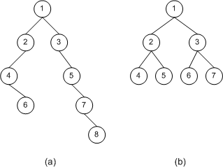 |  |  |  | class TreeNode<T> { public T NodeValue { get; set; } public TreeNode<T> LeftNode { get; set; } public TreeNode<T> RightNode { get; set; } public TreeNode(T nodeValue) { this.NodeValue = nodeValue; } }
 |  |  |  | class BinarySearchTree<T> { public TreeNode<T> Root { get; set; }
 | Heap is a specialized tree |  | Insert | public void Insert(T treeNodeValue) { this.Root = Insert(this.Root, treeNodeValue); }
 |  |  |  | protected TreeNode<T> Insert(TreeNode<T> treeNode, T treeNodeValue) { if (treeNode == null) { treeNode = new TreeNode<T>(treeNodeValue); } else if ((treeNodeValue as IComparable).CompareTo(treeNode.NodeValue) < 0) { // Recursive call to the current function. treeNode.LeftNode = Insert(treeNode.LeftNode, treeNodeValue); } else if ((treeNodeValue as IComparable).CompareTo(treeNode.NodeValue) > 0) { // Recursive call to the current function. treeNode.RightNode = Insert(treeNode.RightNode, treeNodeValue); } else { throw new Exception("Duplicate item"); } return treeNode; }

From (b)
1 | Root Node
2,3 | internal nodes
4,5,6,7 | leaf nodes (no childs)
Comparison of non-BST binary tree (a) and a BST binary tree (b)
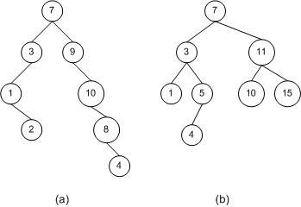

 |  |  |  |  |  |  |  |  |  |  |  |  | Root
 |  |  |  |  |  |  |  |  |  |  |  |  | 10
 |  |  |  |  |  |  |  |  |  |  |  | 8 |  | 12
 |  |  |  |  |  |  |  |  |  |  | 4 |  |  |  | 16
 |  |  |  |  |  |  |  |  |  |  |  | 6 |  | 14

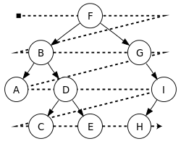
BFS: Breadth First Search Level-order traversal sequence: F, B, G, A, D, I, C, E, H
DFS: Depth First Search Pre-order:[1] 1.Visit the root. 2.Traverse the left subtree. 3.Traverse the right subtree. Pre-order traversal sequence: F, B, A, D, C, E, G, I, H (root, left, right) In-order (symmetric):[1] 1.Traverse the left subtree. 2.Visit the root. 3.Traverse the right subtree. In-order traversal sequence: A, B, C, D, E, F, G, H, I (left, root, right) Post-order:[1] 1.Traverse the left subtree. 2.Traverse the right subtree. 3.Visit the root. Post-order traversal sequence: A, C, E, D, B, H, I, G, F (left, right, root)
Depth-first traversal is easily implemented via a stack, including recursively (via the call stack). While breadth-first traversal is easily implemented via a queue, including corecursively.
http://datastructuresinterview.blogspot.com/2012/12/delete-node-in-bst-using-arrays.html |  |  |  |  | F | 6 | A | 1 | A | 1
 |  |  |  |  | B | 2 | B | 2 | C | 3
 |  |  |  |  | A | 1 | C | 3 | E | 5
 |  |  |  |  | D | 4 | D | 4 | D | 4
 |  |  |  |  | C | 3 | E | 5 | B | 2
 |  |  |  |  | E | 5 | F | 6 | H | 8
 |  |  |  |  | G | 7 | G | 7 | I | 9
 |  |  |  |  | I | 9 | H | 8 | G | 7
 |  |  |  |  | H | 8 | I | 9 | F | 6
 |  |  |  | Heap Operations
Operation | Binary[2] | Binomial[2] | Fibonacci[2] | Pairing[3] | Brodal***[4] | RP[5]
find-min | Θ(1) | Θ(1) | Θ(1) | Θ(1) | Θ(1) | Θ(1)
delete-min | Θ(log n) | Θ(log n) | O(log n)* | O(log n)* | O(log n) | O(log n)*
insert | Θ(log n) | O(log n) | Θ(1) | Θ(1) | Θ(1) | Θ(1)
decrease-key | Θ(log n) | Θ(log n) | Θ(1)* | O(log n)* | Θ(1) | Θ(1)*
merge | Θ(n) | O(log n)** | Θ(1) | Θ(1) | Θ(1) | Θ(1)

Complete binary tree is a tree where for a right child, there is always a left child, but for a left child there may not be a right child.
Trie Tree | http://www.cs.bu.edu/teaching/c/tree/trie/
A threaded tree
with the special threading links shown by dashed arrows. A threaded binary tree makes it possible to traverse the values in the binary tree via a linear traversal that is more rapid than a recursive in-order traversal.

Heap | Swap elements | Delete element | Sorted array | details
8, 6, 7, 4, 5, 3, 2, 1 | 8, 1 |  |  | swap 8 and 1 in order to delete 8 from heap
1, 6, 7, 4, 5, 3, 2, 8 |  | 8 |  | delete 8 from heap and add to sorted array
1, 6, 7, 4, 5, 3, 2 | 1, 7 |  | 8 | swap 1 and 7 as they are not in order in the heap
7, 6, 1, 4, 5, 3, 2 | 1, 3 |  | 8 | swap 1 and 3 as they are not in order in the heap
7, 6, 3, 4, 5, 1, 2 | 7, 2 |  | 8 | swap 7 and 2 in order to delete 7 from heap
2, 6, 3, 4, 5, 1, 7 |  | 7 | 8 | delete 7 from heap and add to sorted array
2, 6, 3, 4, 5, 1 | 2, 6 |  | 7, 8 | swap 2 and 6 as they are not in order in the heap
6, 2, 3, 4, 5, 1 | 2, 5 |  | 7, 8 | swap 2 and 5 as they are not in order in the heap
6, 5, 3, 4, 2, 1 | 6, 1 |  | 7, 8 | swap 6 and 1 in order to delete 6 from heap
1, 5, 3, 4, 2, 6 |  | 6 | 7, 8 | delete 6 from heap and add to sorted array
1, 5, 3, 4, 2 | 1, 5 |  | 6, 7, 8 | swap 1 and 5 as they are not in order in the heap
5, 1, 3, 4, 2 | 1, 4 |  | 6, 7, 8 | swap 1 and 4 as they are not in order in the heap
5, 4, 3, 1, 2 | 5, 2 |  | 6, 7, 8 | swap 5 and 2 in order to delete 5 from heap
2, 4, 3, 1, 5 |  | 5 | 6, 7, 8 | delete 5 from heap and add to sorted array
2, 4, 3, 1 | 2, 4 |  | 5, 6, 7, 8 | swap 2 and 4 as they are not in order in the heap
4, 2, 3, 1 | 4, 1 |  | 5, 6, 7, 8 | swap 4 and 1 in order to delete 4 from heap
1, 2, 3, 4 |  | 4 | 5, 6, 7, 8 | delete 4 from heap and add to sorted array
1, 2, 3 | 1, 3 |  | 4, 5, 6, 7, 8 | swap 1 and 3 as they are not in order in the heap
3, 2, 1 | 3, 1 |  | 4, 5, 6, 7, 8 | swap 3 and 1 in order to delete 3 from heap
1, 2, 3 |  | 3 | 4, 5, 6, 7, 8 | delete 3 from heap and add to sorted array
1, 2 | 1, 2 |  | 3, 4, 5, 6, 7, 8 | swap 1 and 2 as they are not in order in the heap
2, 1 | 2, 1 |  | 3, 4, 5, 6, 7, 8 | swap 2 and 1 in order to delete 2 from heap
1, 2 |  | 2 | 3, 4, 5, 6, 7, 8 | delete 2 from heap and add to sorted array
1 |  | 1 | 2, 3, 4, 5, 6, 7, 8 | delete 1 from heap and add to sorted array
 |  |  | 1, 2, 3, 4, 5, 6, 7, 8 | completed

Graphs
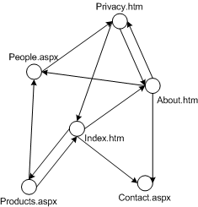
http://msdn.microsoft.com/en-us/library/aa289152%28v=vs.71%29.aspx
Graphs are composed of a set of nodes and edges, just like trees, but with graphs there are no rules for the connections between nodes. With graphs, there is no concept of a root node, nor is there a concept of parents and children. Rather, a graph is a collection of interconnected nodes. Realize that all trees are graphs. A tree is a special case of a graph in which all nodes are reachable from some starting node and one that has no cycles. Graphs are typically modeled in one of two ways: •Adjacency list •Adjacency matrix
Figure 1 shows three examples of graphs. Notice that graphs, unlike trees, can have sets of nodes that are disconnected from other sets of nodes. E.g. Graph (a) has two distinct, unconnected sets of nodes. Graphs can also contain cycles. Graph (b) has several cycles. One cycle is the path from v1 to v2 to v4 and back to v1. Another one is from v1 to v2 to v3 to v5 to v4 and back to v1. There are also cycles in graph (a). Graph (c) does not have any cycles, as it has one less edge than it does number of nodes, and all nodes are reachable. Therefore, it is a tree.
 |  |  |  | In figure (b) there are 5 nodes (vertices) and 6 edges
 |  |  |  | In figure (c) there are 6 nodes and 5 edges
The Graph data structure consists of three parts : A Vertex<T> class that represents a node in the graph. An Edge<T> class that forms a link between two vertices. A Graph<T> class that represents the collection of edges and vertices.

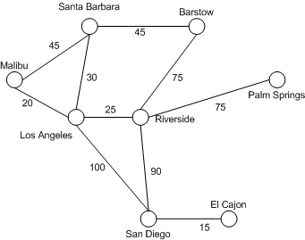
Real world example, search engines like Google model the Internet as a graph, where Web pages are the nodes in the graph and the links among Web pages are the edges. Programs like Microsoft MapPoint that can generate driving directions from one city to another use graphs, modeling cities as nodes in a graph and the roads connecting the cities as edges.
Graphs, in their simplest terms, are a collection of nodes and edges, but there are different kinds of edges: •Directed versus undirected edges •Weighted versus unweighted edges Realize that the directionality and weight of edges are orthogonal. That is, a graph can have one of four arrangements of edges: •Directed, weighted edges •Directed, unweighted edges •Undirected, weighted edges •Undirected, unweighted edges
Sparse Graphs and Dense Graphs While a graph could have zero or a handful of edges, typically a graph will have more edges than it has nodes. What's the maximum number of edges a graph could have, given n nodes? It depends on whether the graph is directed or undirected. If the graph is directed, then each node could have an edge to every other node. That is, all n nodes could have n – 1 edges, giving a total of n * (n – 1) edges, which is nearly n2. Note For this article, I am assuming nodes are not allowed to have edges to themselves. In general, though, graphs allow for an edge to exist from a node v back to node v. If self-edges are allowed, the total number of edges for a directed graph would be n2.
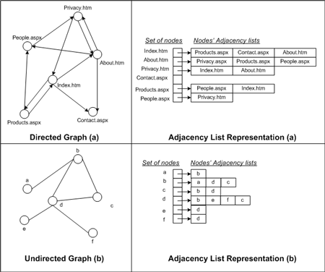
If the graph is undirected, then one node, call it v1, could have an edge to each and every other node, or n – 1 edges. The next node, call it v2, could have at most n – 2 edges because an edge from v2 to already exists. The third node, v3, could have at most n – 3 edges, and so forth. Therefore, for n nodes, there would be at most (n – 1) + (n – 2) + ... + 1 edges. As you might have guessed, summed up this comes to [n * (n-1)] / 2, or exactly half as many edges as a directed graph.
If a graph has significantly less than n2 edges, the graph is said to be sparse. For example, a graph with n nodes and n edges, or even 2n edges would be said to be sparse. A graph with close to the maximum number of edges is said to be dense. When using graphs in an algorithm it is important to know the ratio between nodes and edges. As we'll see later on in this article, the asymptotic running time operations performed on a graph is typically expressed in terms of the number of nodes and edges in the graph.

V = {1, 2, 3, 4, 5, 6} E = {{1, 2}, {1, 5}, {2, 3}, {2, 5}, {3, 4}, {4, 5}, {4, 6}}.
A complete graph with 5 vertices. Each vertex has an edge to every other vertex.
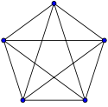
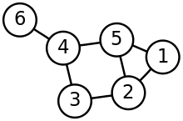

DAWG | A directed acyclic word graph stores strings efficiently. Your DAWG must store thousands of words. It must be faster to use than a regular hashtable, even a highly tuned one with custom hashcodes.

Time Complexity
 | Adjacency list | Adjacency matrix | Incidence matrix
Storage
Add vertex
Add edge
Remove vertex
Remove edge
Query: are vertices u, v adjacent? (Assuming that the storage positions for u, v are known)
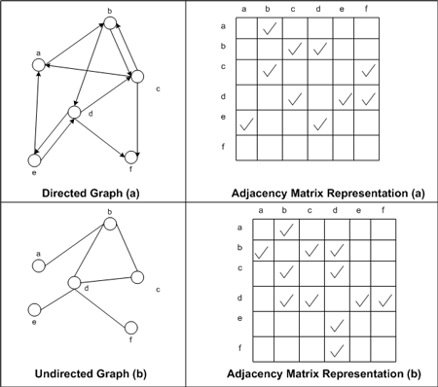
Remarks | When removing edges or vertices, need to find all vertices or edges | Slow to add or remove vertices, because matrix must be resized/copied | Slow to add or remove vertices and edges, because matrix must be resized/copied

Adjacency lists are generally preferred because they efficiently represent sparse graphs. An adjacency matrix is preferred if the graph is dense, that is the number of edges |E| is close to the number of vertices squared, |V|2, or if one must be able to quickly look up if there is an edge connecting two vertices.[1]

